Journal



Journal

Work
1: Finding the duplicate data in all column
2: Checking each column for the blank cells to avoid unwanted data errors
3: Creating Tables for each individual dataset
4: Dividing dashboard data in 4 Major part KPI, Geography, People and Products
KPI
5: Creating Pivot table to find the Total Sales, Profiit, Shipments, Boxes, Cost and Profit% Using DAX formula
6: Creating Slicer for Products Category
7: Duplicating and connecting Overall table to slicer to find category wise changes
8: Creating Month on Month table to find monthly changes in the dataset
9: Adding a Format column to change the view of data from number into Million with the implementing TEXT function
10: Putting all data into Dashboard and presenting it effeciently by using illustrations and conditional formatting
MAP
11: Creating pivot table for geographic region as per their Sales and Profit%
12: Duplacting and connecting Overall table to slicer to find category wise changes
13: Joining both the overall and selected table into one, and using SORT function ordering data as per given command
14: For command we use XMATCH function to find out the column value for which we want to order our data
15: Provided a LIST to provide command
16: Now to showcase the Maps of each state added in the specific column of Items sheet and added their Name in the next column to identify the map from the name later, also provided name to that range
17: Using XMATCH listing States in order as per names in Items sheet
18: Creating formula (Define Name) in formulas Using INDEX to identify the cell range which we created using XMATCH into which will depict the map present in the MAPS column
19: Now copying the Image and pasting it on the Dashboard and adding formula we created earlier using INDEX in the image to make it dynamic
20: Creating Dynamic Heading for the MAPS also providing financial summary of it, used IF function and used LIST as logic test to make it interactive
PEOPLE
Team Performance Calculation
21: Creating pivot table for the Sales and Profit of all teams
22: Creating two column X and Y to create Bubble chart where value were (1,1),(1,2),(2,1)(2,2)
23: Creating column for size using Sales by each team for identifying each circle
24: Using IF function to make a column for size, for making chart dynamic and easily identify which team is being selected
25: Using text format and TEXT function change the Sales and profit value to numerical to Million
26: Using TEXTJOIN combine all the detail into a single cell
27: Doing some cosmetic changes in chart to make it more interactive
Sales Person Calculation
28: Creating a pivot table for each sales person of company with their individual Sales, Profit, Profit%
29: Connecting data with the Team LIST to showcase selected team sales and profit figure
30: Creating Trend options and Sort options to make a LIST of it and using XMATCH to find the value of it
31: Creating Order for sorting using IF function to diffrentiate products sort from another columns
32: Using SORT and Filter function to sort and filter the data as per the column number which created in Sort options and the team selected from LIST
33: Creating Dynamic heading by using ampersand and IF function to add emoji in heading
34: By using MAX function subtracting it by 28 we found last 28 days, so that we can identiy the last 28 days data for Sales, Shippment, Shipped and Boxes as per individual Sales person
35: After using CHOOSE, COUNTIFS and SUMIFS function we find the data as per date and sales person, and adding that data into sparklines
36: Adding All Sorted data and Sparklines into the Dashboard doing some cosmetic changes using Conditional Formatting
PRODUCT
Category Calculation
37: Creating a pivot for category with total Sales, Profit and Profit%
38: Using COUNTIFs function identify the the filter which is active to add emoji in its heading to make it more enhancing
39: Once it identfied by COUNTIFS used ampersand and IF function to add emoji
40: Calculating Profit% and Cost%
41: Using display Format and TEXT function converted Sales and Profit in smaller values
42: For final output ampersand Total Profit by Total Sales
43: Using Profit% and Cost% created Donut chart to add into Dashboard
Product Calculation
44: Creating a pivot table with category, product and their Sales, Shippment, Boxes and Profit%
45: Creating LIST for Sorted by and Trend
46: Created Sort by and Order by using XMATCH and IF function respecitively
47: Now using SORTBY and INDEX find data as per the conditions mentioned in the LIST commands
48: After that creating a table with 28 days previous data as per Products for sparkline showing shipped, sales, shippment and boxes
49: Using CHOOSE with SUMIF,COUNTIFS aggregate function created the sparkline table, now creating sparkline with the dervied data
50: Doining necessary changes in the Dashboard to make it more easy to understand and clear to read

Items
$ 74.53mn
SALES
Key Performance Indicators
Sales Dashboard
$ 74.53mn

1094.6k
BOXES

1094.6k

SHIPMENTS
3,299

3,299


$ 20.99mn
COST

$ 20.99mn

PROFIT
$ 20.99mn
$ 20.99mn

PROFIT %
72%

72%

 | States | Names (MJoin3)
 |  | New York
 |  | Illinois
 |  | California
 | 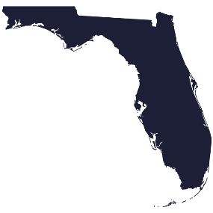 | Florida
 |  | Texas
 | 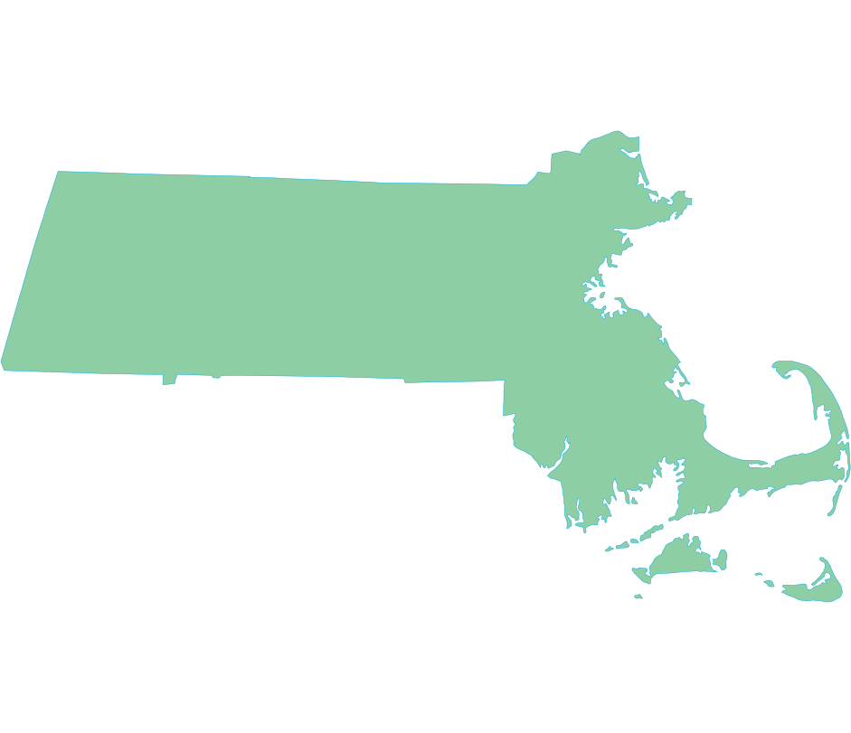 | Massachusetts

Dashboard
Sales Dashboard
 |  |  |  |  |  |  |  |  |  |  |  |  | Drop Down List

SALES
 |  | Selected team |  | Selected team
1 | 2 | 2 | 2 | 2
2 | 2 | 2 | 2 | 2
2 | 1 | 1 | 1 | 1
1 | 1 | 1 | 1 | 1
Running Shoes
Lifestyle Shoes
Training & Gym Shoes◉
MoM% | States Sales
$ 74.53mn
Blank | 100.0%
Profit% | 73.5%
Cost% | 26.5%
 | Lifestyle Shoes
 | 100.0%
 | 73.5%
 | 26.5%
 | Training & Gym Shoes◉
 | 100.0%
 | 73.6%
 | 26.4%
$ 13.48mn
69.4%
73.5%
73.6%
BOXES
39% |  | Texas
38.8% |  | $ 12.32mn
 |  | $ 2.44mn
1094.6k
Sales &
Profit by
Teams
$ 16.21/$ 23.37m
$ 27.69/$ 37.68m
$ 9.93/$ 13.48m
28 Days data
225.0k
SHIPMENTS
0.58975720789 |  | New York
59.0% |  | $ 13.00mn |  |  |  |  |  | Product✔️ | Sales | Shipments | Boxes | Profit% | Sales
 |  | $ 2.31mn |  |  |  |  |  | Nike Zoom Metcon Turbo 2 | $3,415,692 | 150 | 78133 | 27.8%
3,299
 |  |  |  |  |  |  |  | Nike MC Trainer | $3,386,460 | 150 | 33485 | 93.0%
600
13% |  | Massachusetts |  |  |  |  |  | Nike Legend Essential 3 | $3,550,596 | 150 | 44865 | 87.5%
28 Days data
13.3% |  | $ 12.19mn |  |  |  |  |  | Nike In-Season | $3,128,412 | 150 | 68474 | 87.0%
COST
 |  | $ 2.08mn |  |  |  |  |  | Nike Zoom Fly 5 Premium | $3,455,340 | 150 | 52824 | 49.6%
$ 20.71mn
 |  |  | Sales person✔️ | Sales | Profit | Profit% | Shipments | Nike Zegama | $3,269,868 | 150 | 59803 | 53.6%
$ 3.56mn
0.40846294229 |  | Illinois | Andrew Lee | $557,536 | $376,874 | 68% |  | Nike x Ambush Air | $4,457,628 | 191 | 83280 | 83.1%
40.8% |  | $ 12.56mn | Cynthia Hall | $531,944 | $406,924 | 76% |  | Nike Vomero 16 Premium | $3,196,536 | 150 | 37036 | 58.4%
PROFIT
 |  | $ 2.44mn | Edward Lewis | $565,964 | $405,987 | 72% |  | Nike Rival Fly 3 | $3,092,852 | 150 | 30250 | 89.0%
$ 53.82mn
 |  |  | Evan Brown | $522,648 | $438,345 | 84% |  | Nike Quest 5 Premium | $3,260,768 | 149 | 28192 | 83.7%
0.38039401599 |  | Florida | James Smith | $435,484 | $314,124 | 72% |  | Nike Juniper Trail 2 | $3,560,088 | 150 | 48268 | 84.8%
$ 9.93mn
38.0% |  | $ 12.24mn | John Williams | $474,712 | $340,248 | 72% |  | Nike Jordan 1 Retro | $3,612,056 | 150 | 50792 | 71.8%
 |  | $ 2.30mn | Matthew Moore | $495,516 | $350,302 | 71% |  | Nike Invincible 3 | $3,529,988 | 150 | 31503 | 67.1%
PROFIT%
72.2%
 |  |  | Patrick Rivera | 705068 | 591662 | 84% |  | Nike E-Series | $3,500,756 | 150 | 44346 | 91.9%
-0.005400181047 |  | California | Robert Johnson | 503216 | 370605 | 74% |  | Nike Dunk Low | $3,445,568 | 150 | 69818 | 94.4%
73.6%
-0.5% |  | $ 12.22mn |  |  |  |  |  | Nike Air Pegasus | $3,255,448 | 150 | 88635 | 49.3%
 |  | $ 1.92mn |  |  |  |  |  | Nike Air More Uptempo | $3,564,148 | 150 | 33718 | 77.0%
 |  |  |  |  |  |  |  | Nike Air Max 270 | $2,677,696 | 109 | 52424 | 93.0%
 | Sort by: | Sales | Pick a Team: | Team A | Sort by: | Sales person |  | Nike Air Max | $3,512,964 | 150 | 36810 | 63.2%
 |  |  |  |  |  |  |  | Nike Air Force 1 | $3,280,732 | 150 | 30224 | 93.1%
 |  |  |  |  |  |  |  | Air Jordan 5 | $3,257,800 | 150 | 45642 | 25.2%
 |  |  |  |  |  |  |  | Air Jordan 12 | $3,114,580 | 150 | 46033 | 63.9%

 |  |  |  |  |  |  |  | Sort by: | Product | Profit% Indicator: |  |  | On

